Table 16
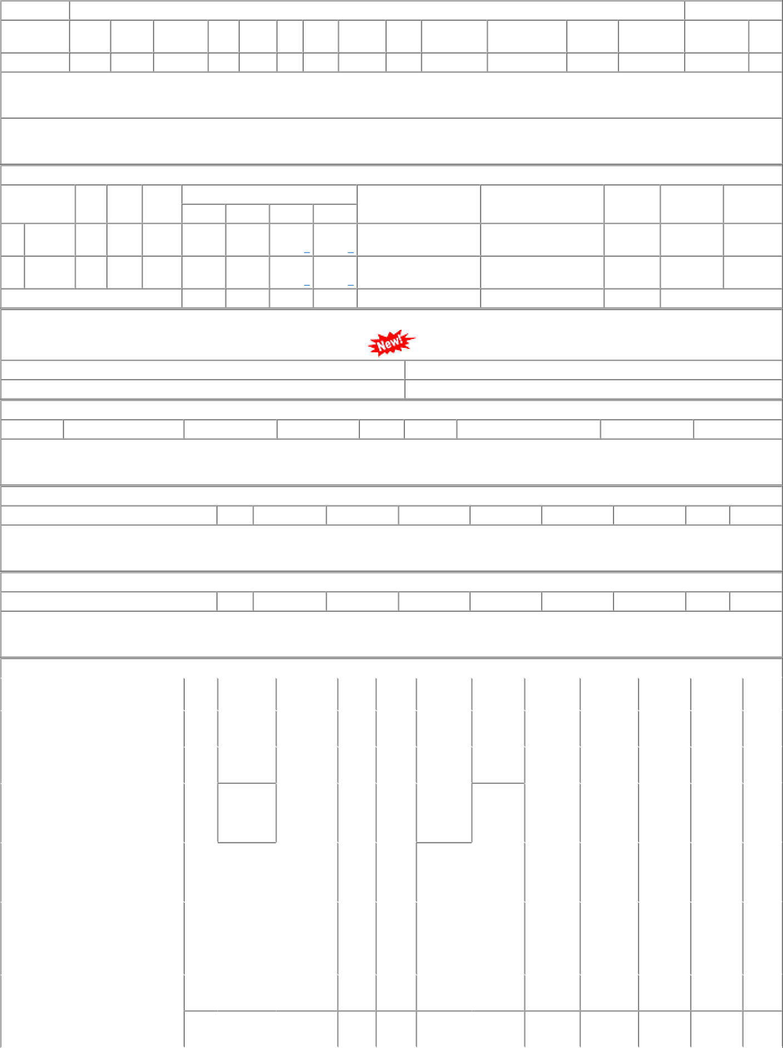
INDUSTRIES-

